Solar PV
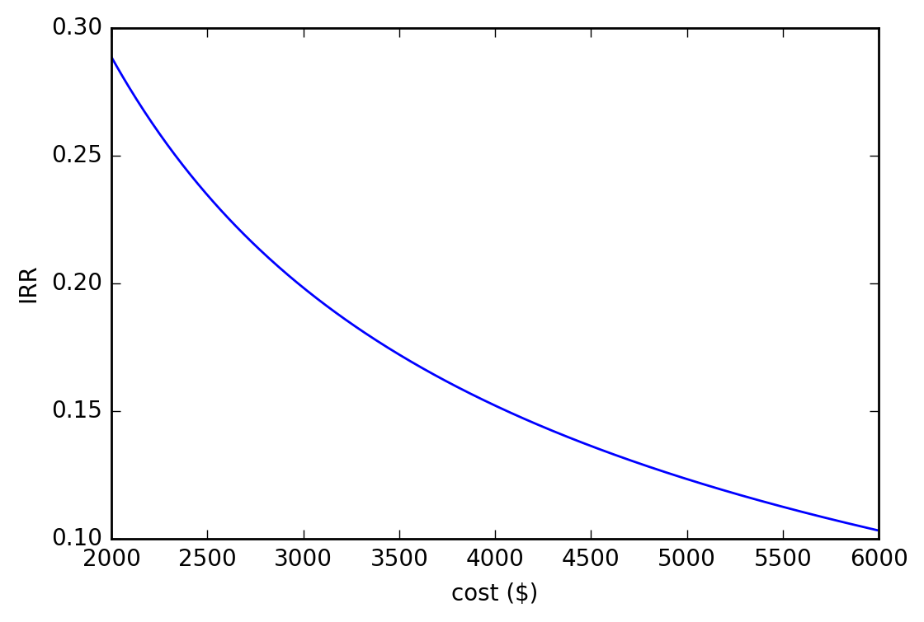
Solar System Payback Estimator

Inputs
 | Solar |  |  |  |  |  |  | Electricity Usage
 | System size (kW) | Average daily sun hours | Total solar system out-of-pocket cost (incl GST) | Feed-in tariff rate ($/kWh, ex GST) | Cost of retail electricity ($ / kWh, ex GST) | Self-consumption ratio | Solar system efficiency factor | Average daily household energy usage (kWh) | Quarterly household energy usage (kWh, based on daily usage)
 | 2 | 4.8 | $4,000.00 | $0.072 | $0.4800 | 30% | 85% | 12 | 1095

Outputs
 | Solar power produced (kWh) | Solar power consumed (kWh) | Solar power exported to grid (kWh) | Total power purchased from grid (kWh) | Value of solar power consumed (inc GST) | Value of solar exported to grid | Total savings from solar | Total electricity usage charges with solar | Total electricity usage charges without solar
Daily | 8.2 | 2.4 | 5.7 | 9.6 | $1.29 | $0.41 | $1.70 | $4.63 | $6.34
Quarterly | 744.6 | 223.4 | 521.2 | 871.6 | $117.94 | $37.53 | $155.47 | $422.69 | $578.16

Additional inputs | Assumed electricity inflation rate (%) | Assumed discount rate (%) | Assumed FiT annual increase rate (%) | Inverter replacement cost at year 14
 | 2.50% | 5% | 1.20% | $2,000

Outputs | Number of years to pay off |  | Annual internal rate of return (IRR) |  | Annual savings (Year 1) |  | Net present value (NPV)
 |  |  | 23.31%

